Introduction
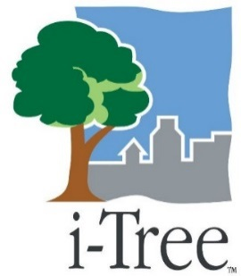
Tree Replacement Calculator

This tool is designed to estimate the number of trees (or monetary value) needed to compensate for the loss of a healthy tree of any size

This approach is a new method of tree compensation based on comparing the net present value of leaf area
 | between a removed tree and planted replacement trees

Methods of this approach are detailed in: Nowak, D.J. and T. Aevermann (in review) Tree compensation rates:
 | Compensating for the loss of current and future tree values. Urban Forestry and Urban Greening.

Instructions
1
2
Enter discount rate to be used (enter 0 - 0.07)
For Both Removed and Replanted Tree:
Enter species size type: Large (London Planetree) or Small (Crapemyrtle)
3
4
Enter tree dbh at removal (in inches; 0-150)
Enter tree average growth rate (0 - 2 inches per year)
5
6
Enter life span
 | User Defined - if selected, enter number of years in row 8 (Max = 200)
 | Long-lived (1% mortality rate) - if selected, number of years remaining will be estimated based on mortality rate
 | Mod. long-lived (2% mortality rate) - if selected, number of years remaining will be estimated based on mortality rate
 | Mod. short-lived (3% mortality rate) - if selected, number of years remaining will be estimated based on mortality rate
7
 | Short-lived (4% mortality rate) - if selected, number of years remaining will be estimated based on mortality rate
8
Enter estimated planting cost per tree
1
Results will be present in yellow cells

2
2

3
3
4
4
5
5
6
6

8
7

8

Calculator
Discount Rate | 0.03

Removed Tree: |  |  | Replanted Tree:
Species (Crown Size of an old Tree) |  |  | Species (Crown Size of an old Tree) |  |  | 1 | 1
Dbh | 10 | inches | Dbh at planting | 1 | inches
Growth Rate | 0.2 | in/yr | Growth Rate | 0.2 | in/yr
Life Span of the Tree (Years to Death) |  |  | Life Span of the Tree (Years to Death) |  |  | 1 | 1
Enter number of years | 100 |  | Enter number of years | 100
Years to Death = | 100 | years | Years to Death = | 100 | years
Net Present Value (Removed Tree) | 112,533.02 | ft2 leaf area | Net Present Value (Replanted Tree) | 37,447.04 | ft2 leaf area


 |  |  | Number of Replanted Trees Required | 3.0 | Trees
 |  |  | Planting Cost per Tree | $285
 |  |  | Replacement Value | $856

 | Tree Replacement Calculator
 | Developed by:
 | David J. Nowak, US Forest Service, Syracuse, NY
 | Tim Aevermann, Federal Institute for Population Research, Wiesbaden, Germany
 | Note: Use of this tool indicates that you accept our

